Sheet1
My Dream House (Katarungan Village)
 | Dreamhouse 1 (De Joya) | Dreamhouse 2 (E. Rodriguez) | Dreamhouse 3 (E. Rodriguez) | Dreamhouse 4 (Regala) | Dreamhouse 3 (AAV Gilid 2F) | Dreamhouse 4 (AAV Gilid 3F) | Dreamhouse 5 (Marino) | Dreamhouse 6 (De Leon)
General Description
Location | B59 L30 A | B1 L7 (Phase 2) | B3 L5
Developer | Phil Metro Realty | Phil Metro Realty | ML INOT Realty | Direct Owner
Style | Brandnew Duplex | Brandnew Duplex | Brandnew Duplex | Brandnew Duplex
RFO | YES | YES | YES
Lot Area | 78.75sqm | 75sqm | 78sqm
Floor Area | 128.57sqm | 135sqm | 156sqm
Bed Room | 3 | 3 | 3 | 3
Toilet | 3 | 3 | 3 | 3
Maid's Room | No | No | No | Yes
Balcony | No | No | Yes | Yes
Car Garage | 2 | 2 | 2 | 2
Service Area | Yes | Yes | Yes | Yes
Firewall | Yes | Yes | Yes | Yes
Water Tank | Yes | Yes | TBD | No
Sky Roof | Yes | No | No | No
Near Main Road/Gate | No | No | TBD | Yes
Finish | Semi Zen Yellow | Black & White | White & Grey | White
Other Features | Sliding Windows, Tiles, Bidet, Shower, Ladder Roof Access | Tiled GF, Vinyl 2F, High Ceiling, Sliding Windows, Bidet, Shower | Closet/Attic Storage,Granite Kitchen Counter Top | Bar, Tiled GF, Vinyl 2F, Sliding Windows, Near Church
Pricing Parameter
Total Contract Price | PHP 5,700,000.00 | PHP 5,700,000.00 | PHP 5,800,000.00 | PHP 6,200,000.00
Discount | PHP - | PHP - | PHP - | PHP -
Reservation | PHP 100,000.00 | PHP 100,000.00 | PHP 100,000.00 | PHP 100,000.00
Downpayment | PHP 1,040,000.00 | PHP 1,040,000.00 | PHP 1,060,000.00 | PHP 1,140,000.00
Move-in Fee (Meralco, Water, Fire Ext., etc) | PHP 80,000.00 | PHP 80,000.00 | PHP 80,000.00 | PHP 80,000.00
Transfer Fee | PHP 100,000.00 | PHP 100,000.00 | PHP 100,000.00 | PHP 100,000.00
Misc. Fee | PHP 20,000.00 | PHP 20,000.00 | PHP 20,000.00 | PHP 20,000.00
TOTAL INITIAL CASHOUT | PHP 1,340,000.00 | PHP 1,340,000.00 | PHP 1,360,000.00 | PHP 1,440,000.00
Bank Amortization | PHP 4,560,000.00 | PHP 4,560,000.00 | PHP 4,640,000.00 | PHP 4,960,000.00
15 Years | PHP 39,772.00 | PHP 39,772.00 | PHP 39,772.00 | TBD
20 Years | PHP 33,998.00 | PHP 33,998.00 | PHP 33,998.00 | TBD
Images
Front | 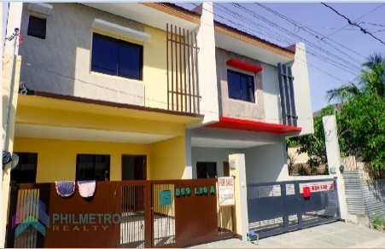
1st Floor | 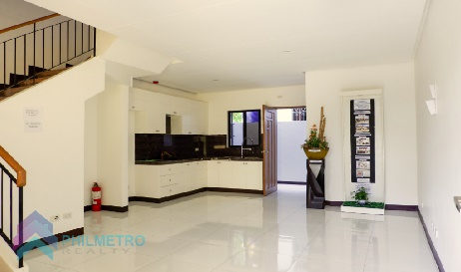
2nd Floor | 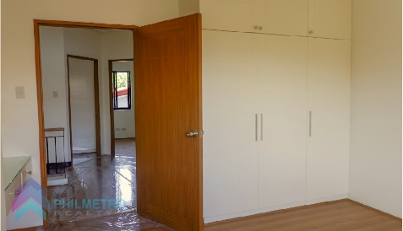
Kitchen | 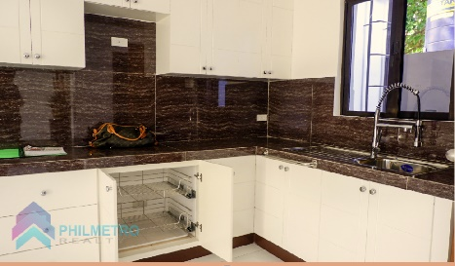
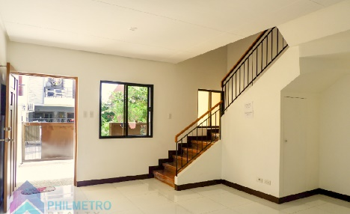 Living
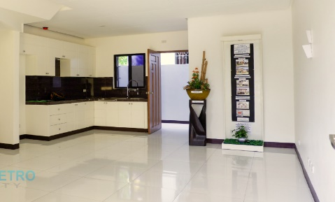 Dining
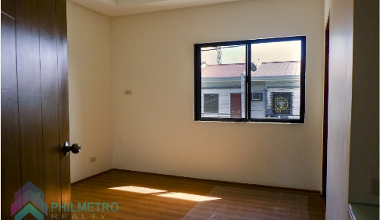 Master
Bedroom 1 | 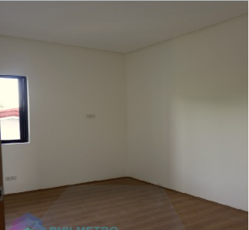
Bedroom 2 | 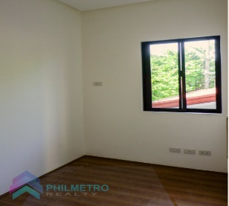
Toilet 1
Toilet 2
Toilet 3
Service Area | 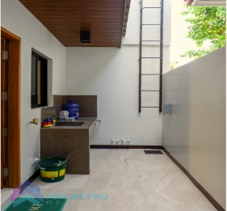
Garage Area | 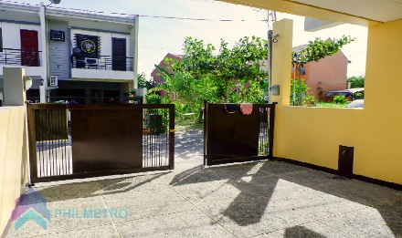
URL | https://www.lamudi.com.ph/brand-new-2-storey-duplex-house-and-lot-for-sale-at-katarungan-village-3.html | https://www.lamudi.com.ph/pag-ibig-3-bedroom-duplex-for-sale-katarungan-village-muntinlupa-city.html | https://www.lamudi.com.ph/metro-manila/muntinlupa/poblacion-362/house/buy/

